Actual result ID2
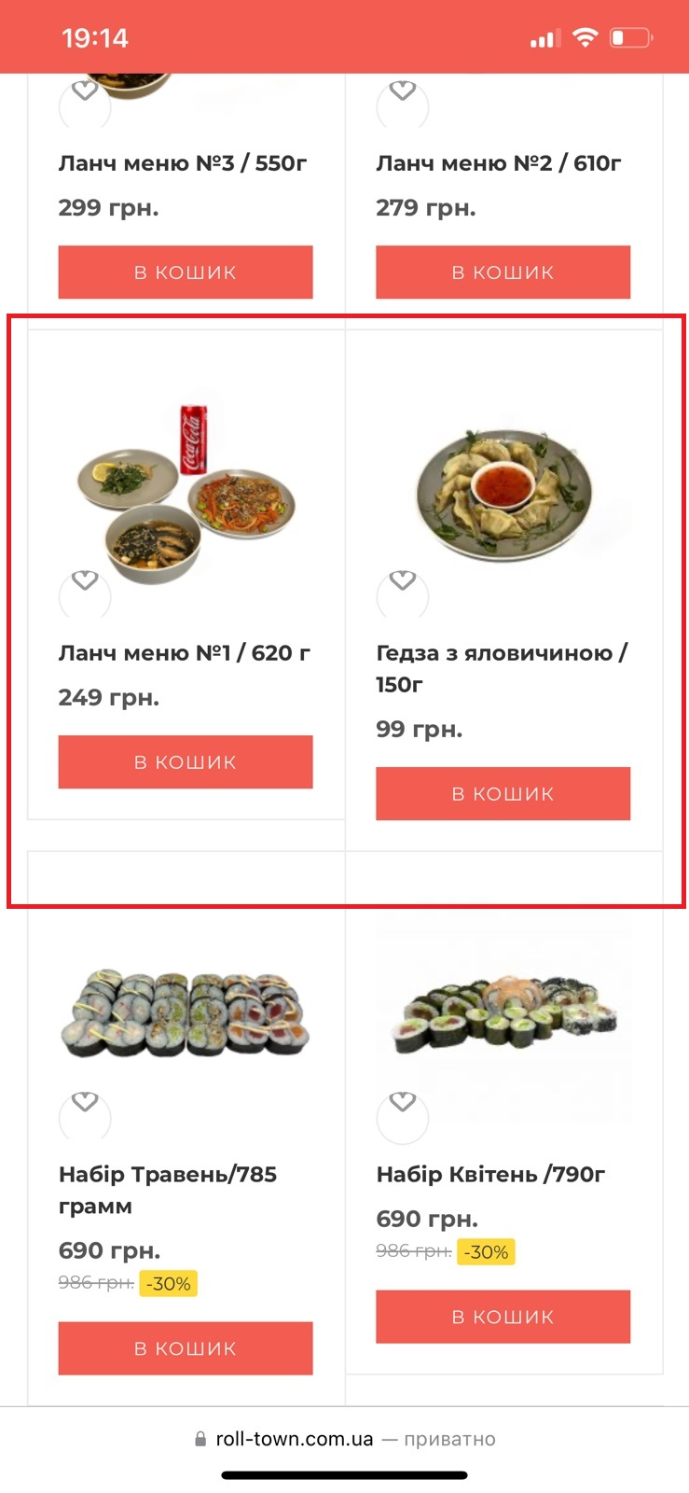

Incorrect view in the product card

Requirements ID2
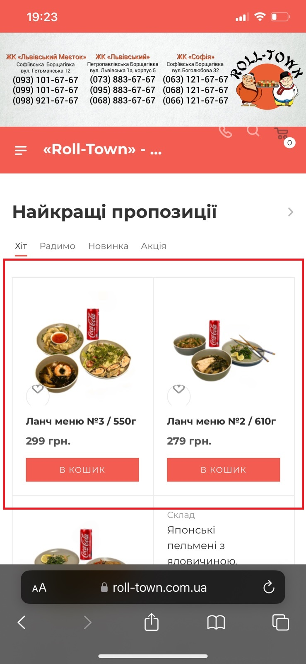

Correct view of card

Actual result ID1
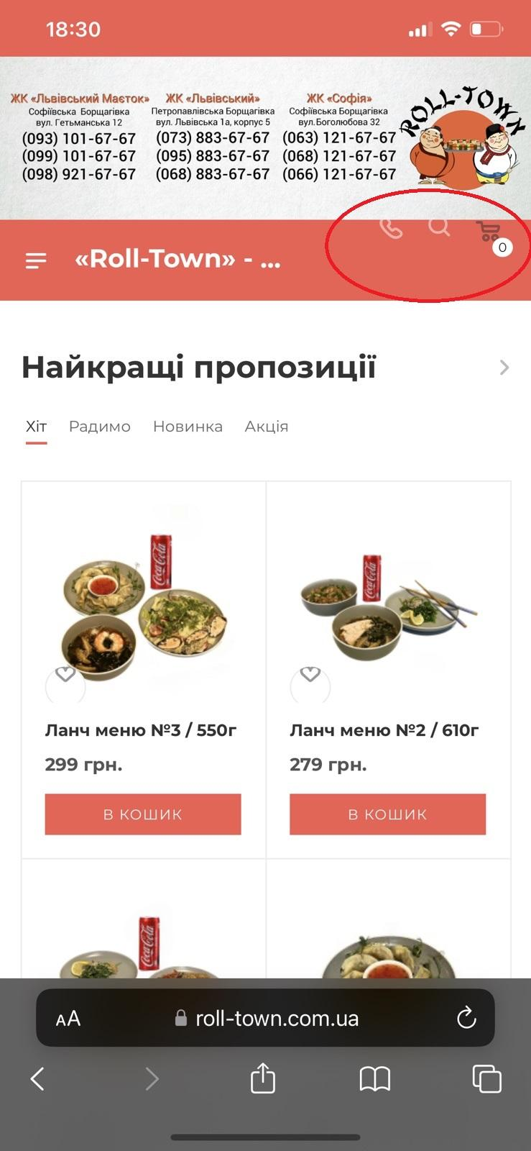

The icons are moved to the top. That's not right. Look requirements

